Sticker Area
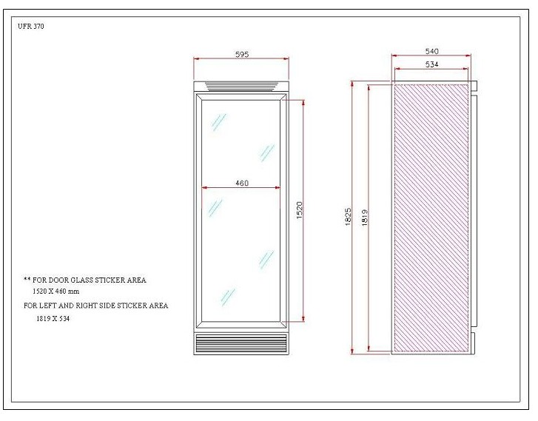
UF0374S & SDW Sticker/Decal Area

