Dimension
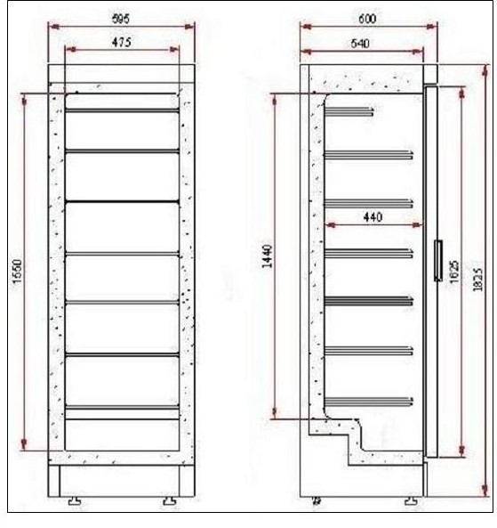
UF0374S & SDS Dimensions

