Sheet1
 | 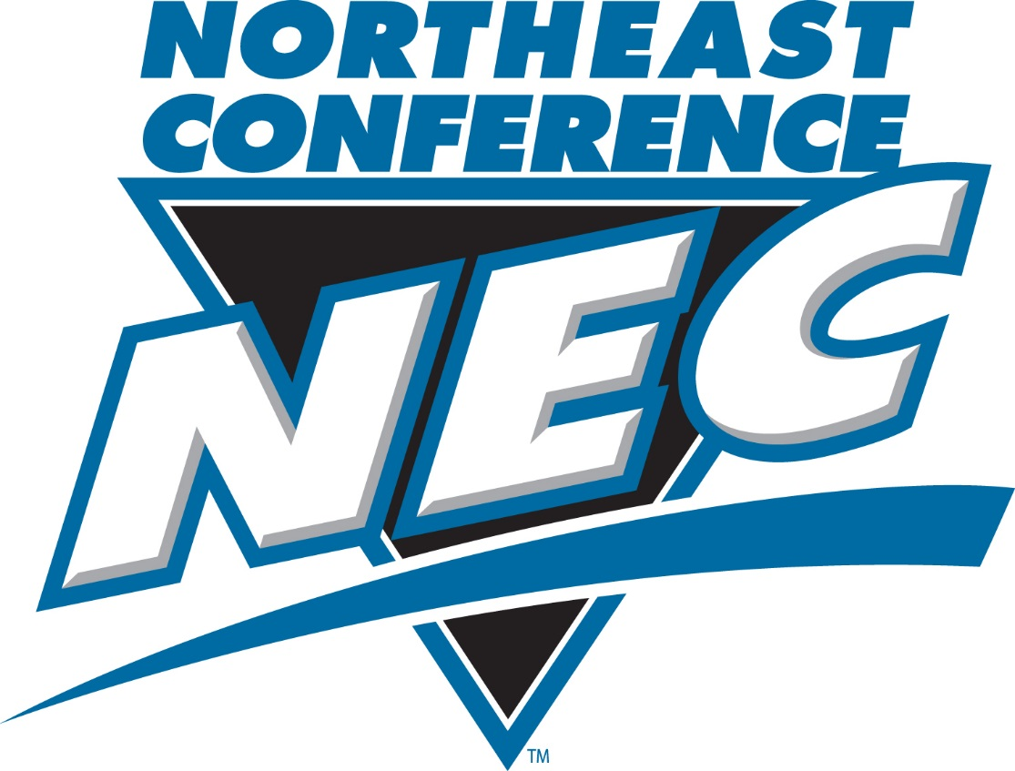
 | NEC Building Communities Award 2014 - 15 Score Sheet

 | Date | Charitable Organization & Event Title | Participating Athletic Team/s | Total # of volunteers | Total # of hrs worked | Is this a repeat visit with this charitable organization?

 | Total |  |  | 0 | 0

 | Descripition of Community Service Event: *
*Timeframe: The contest will run continuously from the start of the 2014 - 15 academic year through Friday, April 17th, 2015.

(All commuinty service hours completed during the fall semester must be submitted no later than Friday, December 19th, 2014.)

