Sheet0
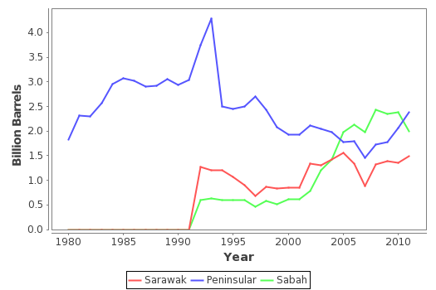
Year | Reserves of Crude Oil and Condensates By Region (Billion Barrels)
 | Sarawak | Peninsular | Sabah | Total
1980 | 0 | 1.825 | 0 | 1.825
1981 | 0 | 2.313 | 0 | 2.313
1982 | 0 | 2.295 | 0 | 2.295
1983 | 0 | 2.57 | 0 | 2.57
1984 | 0 | 2.952 | 0 | 2.952
1985 | 0 | 3.066 | 0 | 3.066
1986 | 0 | 3.023 | 0 | 3.023
1987 | 0 | 2.906 | 0 | 2.906
1988 | 0 | 2.922 | 0 | 2.922
1989 | 0 | 3.054 | 0 | 3.054
1990 | 0 | 2.943 | 0 | 2.943
1991 | 0 | 3.045 | 0 | 3.045
1992 | 1.267 | 3.743 | 0.604 | 5.614
1993 | 1.205 | 4.279 | 0.631 | 6.115
1994 | 1.2 | 2.5 | 0.6 | 4.3
1995 | 1.067 | 2.455 | 0.59 | 4.112
1996 | 0.9 | 2.5 | 0.6 | 4
1997 | 0.68 | 2.7 | 0.47 | 3.85
1998 | 0.86 | 2.44 | 0.58 | 3.88
1999 | 0.83 | 2.08 | 0.51 | 3.42
2000 | 0.85 | 1.92 | 0.62 | 3.39
2001 | 0.85 | 1.92 | 0.62 | 3.39
2002 | 1.34 | 2.11 | 0.78 | 4.23
2003 | 1.3 | 2.04 | 1.21 | 4.55
2004 | 1.42 | 1.98 | 1.43 | 4.83
2005 | 1.56 | 1.77 | 1.97 | 5.3
2006 | 1.334 | 1.791 | 2.129 | 5.254
2007 | 0.889 | 1.452 | 1.975 | 4.316
2008 | 1.315 | 1.719 | 2.424 | 5.458
2009 | 1.388 | 1.781 | 2.348 | 5.517
2010 | 1.362 | 2.061 | 2.376 | 5.799
2011 | 1.492 | 2.374 | 1.992 | 5.858

