Sheet0
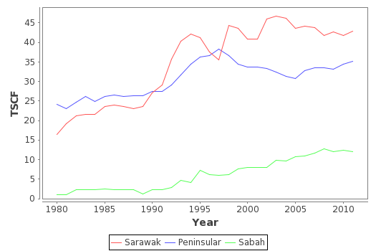
Year | Reserves of Natural Gas by Region in Trillion Standard Cubic Feet (TSCF)
 | Sarawak |  |  | Peninsular |  |  | Sabah
 | Non Associated | Associated | Total | Non Associated | Associated | Total | Non Associated | Associated | Total
1980 | 14.64 | 1.88 | 16.52 | 17.96 | 6.22 | 24.18 | 0 | 0.97 | 0.97
1981 | 17.34 | 1.94 | 19.28 | 17.33 | 5.64 | 22.97 | 0 | 1.02 | 1.02
1982 | 18.91 | 2.28 | 21.19 | 18.33 | 6.29 | 24.62 | 1.17 | 1.15 | 2.32
1983 | 19.05 | 2.48 | 21.53 | 20.02 | 6.15 | 26.17 | 1.22 | 1.09 | 2.31
1984 | 18.93 | 2.56 | 21.49 | 18.76 | 6.05 | 24.81 | 1.2 | 1.1 | 2.3
1985 | 21.05 | 2.64 | 23.69 | 20.2 | 6.01 | 26.21 | 1.23 | 1.17 | 2.4
1986 | 21.18 | 2.83 | 24.01 | 20.51 | 6.07 | 26.58 | 1.29 | 1.08 | 2.37
1987 | 20.85 | 2.8 | 23.65 | 20.28 | 5.88 | 26.16 | 1.3 | 1.02 | 2.32
1988 | 20.12 | 2.86 | 22.98 | 20.78 | 5.58 | 26.36 | 1.21 | 1.03 | 2.24
1989 | 19.77 | 3.85 | 23.62 | 20.71 | 5.72 | 26.43 | 0.05 | 1.07 | 1.12
1990 | 23.84 | 3.31 | 27.15 | 21.35 | 6.08 | 27.43 | 1.32 | 1.03 | 2.35
1991 | 25.77 | 3.4 | 29.17 | 21.32 | 6.2 | 27.52 | 1.38 | 0.98 | 2.36
1992 | 31.9 | 3.8 | 35.7 | 22.5 | 6.7 | 29.2 | 1.8 | 1.1 | 2.9
1993 | 36.6 | 3.8 | 40.4 | 23.9 | 7.8 | 31.7 | 3 | 1.7 | 4.7
1994 | 37.9 | 4.2 | 42.1 | 26.6 | 7.9 | 34.5 | 2.9 | 1.2 | 4.1
1995 | 37 | 4.2 | 41.2 | 28 | 8.2 | 36.2 | 6 | 1.3 | 7.3
1996 | 33.2 | 4.3 | 37.5 | 28.3 | 8.3 | 36.6 | 4.9 | 1.2 | 6.1
1997 | 32.5 | 3 | 35.5 | 29.4 | 8.9 | 38.3 | 4.8 | 1.2 | 6
1998 | 40.6 | 3.7 | 44.3 | 27.7 | 8.9 | 36.6 | 4.9 | 1.2 | 6.1
1999 | 39.9 | 3.8 | 43.7 | 25.9 | 8.5 | 34.4 | 6.6 | 1.1 | 7.7
2000 | 37.4 | 3.4 | 40.8 | 25.3 | 8.4 | 33.7 | 6.7 | 1.3 | 8
2001 | 37.4 | 3.4 | 40.8 | 25.3 | 8.4 | 33.7 | 6.7 | 1.3 | 8
2002 | 42.6 | 3.4 | 46 | 24.9 | 8.4 | 33.3 | 6.8 | 1.2 | 8
2003 | 42.7 | 4 | 46.7 | 23.9 | 8.5 | 32.4 | 8.1 | 1.8 | 9.9
2004 | 42.75 | 3.38 | 46.13 | 21.74 | 9.52 | 31.26 | 7.75 | 1.88 | 9.63
2005 | 40.54 | 3.13 | 43.67 | 21.59 | 9.2 | 30.79 | 8.23 | 2.5 | 10.73
2006 | 41.24 | 2.93 | 44.17 | 23.17 | 9.65 | 32.82 | 8.21 | 2.75 | 10.96
2007 | 40.85 | 3.008 | 43.858 | 24.03 | 9.44 | 33.469 | 8.461 | 3.137 | 11.598
2008 | 38.974 | 2.861 | 41.835 | 24.19 | 9.269 | 33.459 | 9.132 | 3.584 | 12.716
2009 | 39.727 | 2.908 | 42.635 | 24.079 | 9.153 | 33.232 | 8.578 | 3.523 | 12.101
2010 | 39.187 | 2.513 | 41.7 | 25.139 | 9.28 | 34.419 | 8.681 | 3.787 | 12.468
2011 | 39.856 | 3.033 | 42.889 | 25.337 | 9.797 | 35.134 | 3.327 | 8.638 | 11.965

