Sheet0
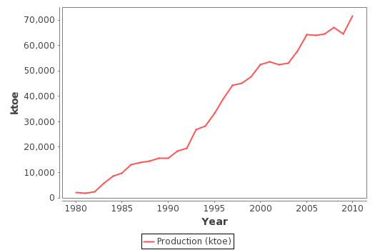
Year | Production (ktoe)
1980 | 2245
1981 | 1891
1982 | 2379
1983 | 5737
1984 | 8715
1985 | 9629
1986 | 12950
1987 | 14002
1988 | 14455
1989 | 15645
1990 | 15487
1991 | 18390
1992 | 19644
1993 | 26898
1994 | 28335
1995 | 33268
1996 | 39031
1997 | 44318
1998 | 45054
1999 | 47746
2000 | 52432
2001 | 53659
2002 | 52465
2003 | 53010
2004 | 57768
2005 | 64337
2006 | 63900
2007 | 64556
2008 | 67191
2009 | 64661
2010 | 71543

