Sheet0
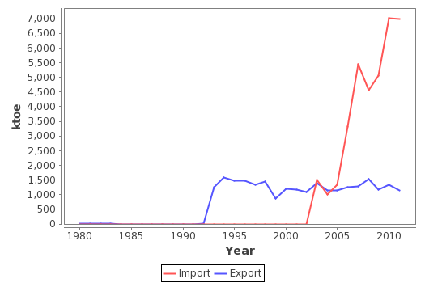
Year | Import & Export (ktoe)
 | Import | Export
1980 | 0 | 8
1981 | 0 | 10
1982 | 0 | 11
1983 | 0 | 2
1984 | 0 | 0
1985 | 0 | 0
1986 | 0 | 0
1987 | 0 | 0
1988 | 0 | 0
1989 | 0 | 0
1990 | 0 | 0
1991 | 0 | 0
1992 | 0 | 1
1993 | 0 | 1258
1994 | 0 | 1589
1995 | 0 | 1474
1996 | 0 | 1474
1997 | 0 | 1340
1998 | 0 | 1444
1999 | 0 | 860
2000 | 0 | 1198
2001 | 0 | 1178
2002 | 0 | 1098
2003 | 1501 | 1402
2004 | 999 | 1143
2005 | 1340 | 1134
2006 | 3313 | 1257
2007 | 5435 | 1295
2008 | 4565 | 1524
2009 | 5055 | 1166
2010 | 7013 | 1340
2011 | 6979 | 1147

