Example Producers Notes
Please FILE/Make A Copy to save this document to your own Google Account
Date | Wednesday, April 15th
Time | 8:00-4:30PM
Meeting ID | 961-4051-8079
Password

Topic | Move Your Training Online

Class website | https://katrinakennedy.com/MYTO/
 | password:

Class Handout | VILT Engagement Methods
(hyperlink to location) | Practice Handout
 | Technical Issues Handout

Producer Meeting Tasks

Chat Text | Scan chat for questions and important comments.
 | I will ask you periodically if there are any.
 | Your cue: "Ian are there any questions I've missed?"
 | If there are, please say the name of the person and read their question.

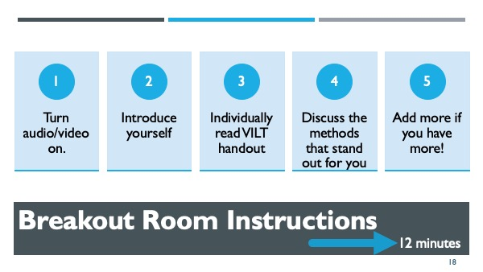
Breakout 1 | Review VILT Methods
Approx 9:20 | 1. Turn audio/video on.
6 groups | 2. Introduce yourself
12 minutes | 3. Individually read VILT handout
 | 4. Discuss the methods that stand out for you
Slide 18 | 5. Add more to the list if you have them
 | You have 12 minutes
Share link, also provide as a download in chat | https://s3.amazonaws.com/KatrinaKennedyTraining/VirtualTrainingTips/MYTO/2020-04_2+VILT+Engagement+Methods.pdf

Breakout 2 | Review WOYO
Approx10:40 | 1. Go to your room
3 p/groups | 2. Share your outlines
15 minutes | 3. Discuss
 | 4. Give feedback and ideas
Slide 30 | 5. Ask for help if needed!
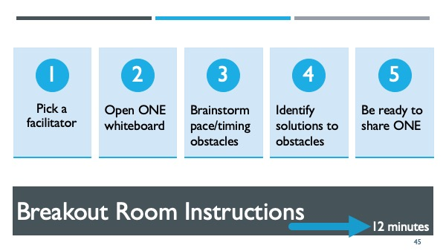
 | You have 15 minutes

Breakout3 | 1. Pick a facilitator
Approx 11:20 | 2. Brainstorm your pace and timing obstacles
3 p/groups | 3. Identify ONE solution to the biggest obstacles
12 minutes | 4. Be ready to share with the room

Slide 45

